1. Title Page
[Instacart Basket Analysis
]

Project Name: Instacart Basket Analysis
Date: 24.06.2024
Analyst Name: Buket Öztekin

Contents:
Population Flow
Consistency checks
Wrangling steps
Column derivations
Visualizations
Recommendations

Data Source: “The Instacart Online Grocery Shopping Dataset 2017”, Accessed from www.instacart.com/datasets/grocery-shopping-2017 via Kaggle on [date].

2. Population Flow
 | Title page

Population flow

Exclusion flag
Condition: max_order < 5
Observations to be removed:
Final total count of order_products_all:

Orders_products_combined
Orders_products_merged
Orders_products_all

Total: 32399732
Total:
Total: 32399732
Total:32,434,489

1.) The grey boxes in the first row of the population flow represent the original data sets as they were when you downloaded them. In the Total fields you need to add the count of the rows when you imported the data set into Jupyter.
2.) The second row of boxes (coloured) represents the data sets after you manipulated them, e.g., removed missing values and duplicates. In the Total fields you need to add the count of the rows after conducting these operations. This offers a visual oveview of how the data flows throughout the data consistency checks.
3.) The third row, where also the arrows are coloured, represents the merges you performed between the datasets. In the Total fields you need to add the count of the rows in the merged datasets, so that you end up with the final dataset (in the red box). Keep in mind the final dataset should be without exclusions (based on the exclusion flag).

3. Consistency checks
 |  |  |  | Title page
Consistency checks

Dataset | Missing values | Missing values treatment | Duplicates
orders | days_since_prior_order 206209 missing values. | Replaced with median (7) | No duplicates
products | 16 missing values in product_name | Dropped and created a new dataframe called df_products_clean. A new dataframe for missing values was created (df_nan). | 5 duplicates were found and dropped. Created a df_products_clean_no_dups data frame
orders_products_prior | None | N/A | No duplicates
customers | 11,259 missing value in the first_name column | Created a new dataframe and dropped the first_name column since we have the unique user_ids. | No duplicates

4. Wrangling steps
 |  |  |  | Title page
Wrangling steps

Columns dropped | Columns renamed | Columns' type changed | Comment/Reason
eval_set from orders (created a new dataframe with df_orders_2)
Unnamed_0x and Unnamed_0y from ords_prods_merged df
 | order_dow -> orders_day_of_week (in df_orders) |  | clarity
 | Below are in df_cust (customers csv.)
 | Gender -> gender |  | lower case for consistency
 | Surnam -> surname |  | lower case for consistency and typo fixed
 | STATE -> state |  | lower case for consistency
 | Age -> age |  | lower case for consistency
 | First Name -> first_name | first_name datatype wsas fixed to str (df_cust) | lower case for consistency
 | n_dependants -> number_of_dependants |  | clarity
 | fam_status -> family_status |  | clarity
 |  | order_id datatype was change to string (df_orders)
 |  | user_id datatype was change to string (df_orders)
 |  | order_number datatype was change to string (df_orders)
first_name and surname columns are removed from customers |  |  | privacy and missing values

5. Column derivations
 |  |  |  | Title page

Column derivations and aggregations

In this tab you should add tables below that the frequences of flags/label variables that you produced after deriving them. NB: don't do this for continuous variables, only for flags.
Dataset | New column | Column/s it was derived from | Conditions
df_ords_prods_merged | price_range_loc | prices | if prices > 15 then 'High-range product', elif 5 < prices <= 15 then 'Mid-range product', else prices <= 5 then 'Low-range product'
df_ords_prods_merged | busiest_day | order_day_of_week | if order_day_of_week == 0 then 'Busiest day', elif order_day_of_week == 4 then 'Least busy', else 'Regularly busy'
df_ords_prods_merged | busiest_days | order_day_of_week | if order_day_of_week == 0 or 1 then 'Busiest days', elif order_day_of_week == 3 or 4 then 'Slowest days', else 'Regularly busy'
df_ords_prods_merged | busiest_period_of_day | order_hour_of_day | if order_hour_of_day in [10, 11, 14, 15, 13, 12, 16, 9] then 'Most orders', if order_hour_of_day in [23, 6, 0, 1, 5, 2, 4, 3] then 'Fewest orders', else 'Average orders'
orders_products_merged_derived | max_order | order_number | max
orders_products_merged_derived | loyalty_flag | max_order | If max_order > 40 then 'Loyal customer' Elif 10 < max_order <= 40 then 'Regular customer' Else max_order <= 10 then 'New customer'
orders_products_merged_derived | average_spending | prices | mean
orders_products_merged_derived | spender_flag | average_spending | If average_spending >= 10 then 'High spender' Else average_spending < 10 then 'Low spender'
orders_products_merged_derived | purchase_frequency | days_since_prior_order | median
orders_products_merged_derived | frequency_flag | purchase_frequency | If purchase_frequency > 20 then 'Non-frequent customer' Elif 10 < purchase_frequency <= 20 then 'Regular customer' Else purchase_frequency <= 10 then 'Frequent customer'
orders_products_department | generation | age | If age < 25 then 'Gen Z' If age >= 25 and < 40 then 'Millenial' If age >=40 and <55 then 'Gen X' If age >=55 and <75 then 'Baby Boomer' Else age >=75 then ' 75+'
orders_products_department | income_group | income | If income < 41119 then 'Low income' If income >= 41110 and <122744 then 'Middle income' If income >=122744 and <184110 then 'Upper middle income'. If income >= 184110 then 'High income'
orders_products_department | dependants_flag | number_of_dependants | If number_of_dependants == 0 then 'No dependant' If number_of_dependants > 0 then 'With dependant'
orders_products_department | category | department | If deparment in [product, meat sea, dairy eggs

6. Visualizations
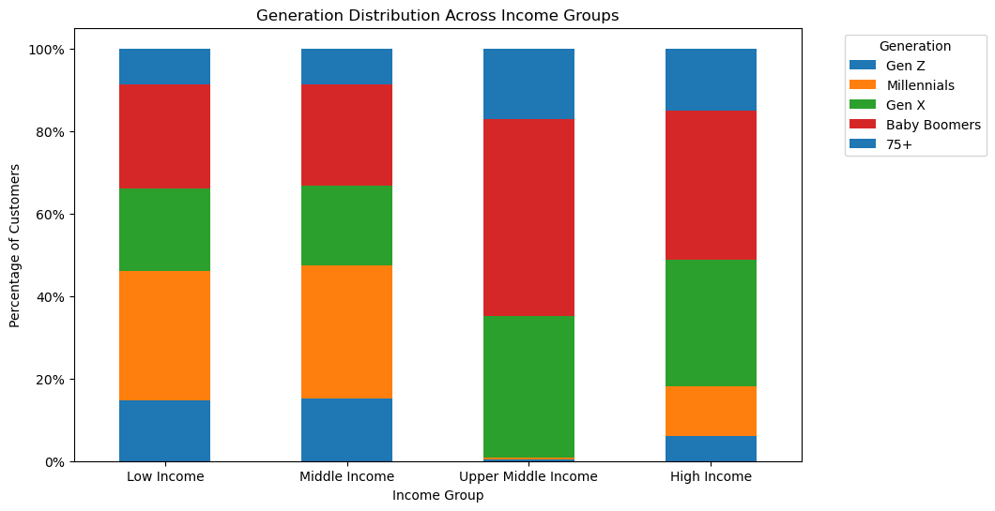
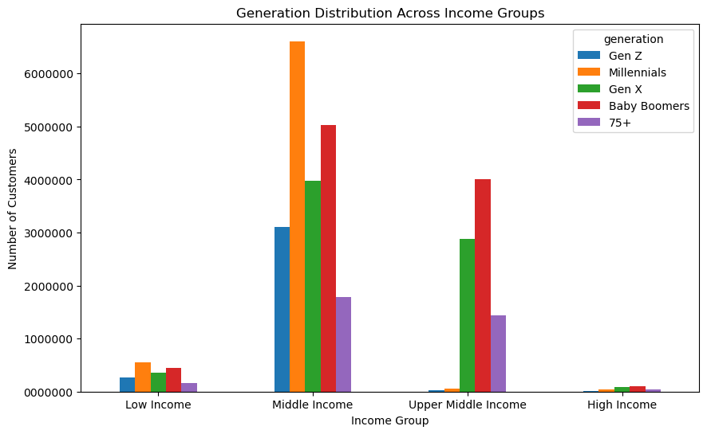
 |  |  | Title page

Visualisations

In this tab you should include all the visualtions from Exercises 4.9 and 4.10, alongside the questions from the project brief that they answer. Include any commentary on the relationship between different variables.

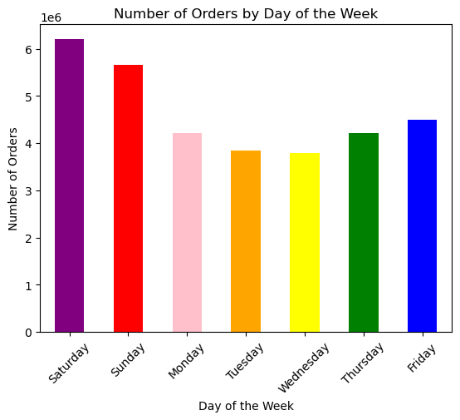

Number of Orders by Hours of the Day

1. Key Question: The sales team needs to know what the busiest days of the week and hours of the day are (i.e., the days and times with the most orders) in order to schedule ads at times when there are fewer orders.
Bar Chart:
Most orders are placed on Saturday and Sunday. During the weekdays, there are fewer orders, with Tuesday and Wednesday being the least popular days.
Histogram:
Most orders are placed between 9 AM and 4 PM, indicating that people tend to order the most during typical work hours. After 4 PM, the frequency of orders gradually decreases, possibly because fewer people spend their after-work hours ordering online. The least number of orders are placed between 12 AM and 6 AM, which is expected.

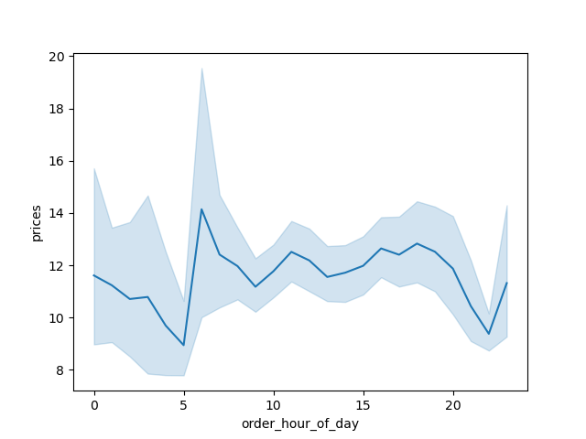

2. Key Question: They also want to know whether there are particular times of the day when people spend the most money, as this might inform the type of products they advertise at these times.
According to the line chart that shows the average of products that are sold per hour, people tend to order more expensive items before 6-7 AM. The lowest prices are observed starting from 8 PM, with a noticeable dip at 5 AM.



3. Key Question: Instacart has a lot of products with different price tags. Marketing and sales want to use simpler price range groupings to help direct their efforts.
Products priced up to $5 were tagged as low-range products. Products priced between $5 and $15 were tagged as mid-range products. Products costing more than $15 were tagged as high-range products.
As seen in the histogram, the majority of the products people order are low-range and mid-range, whereas very few products are high-range.

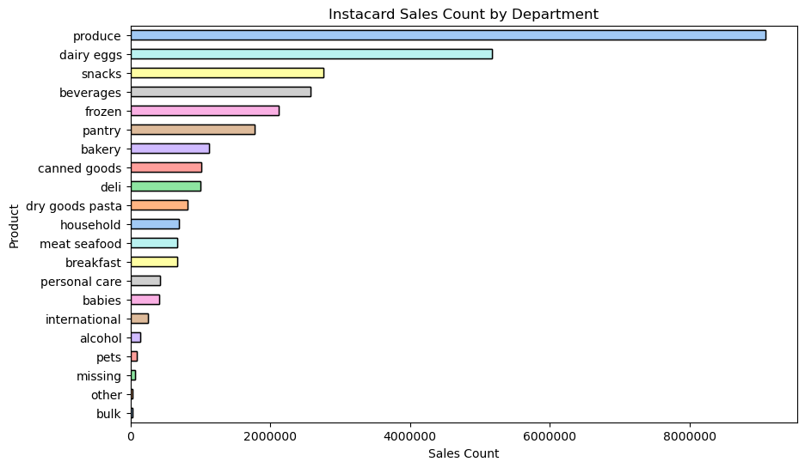
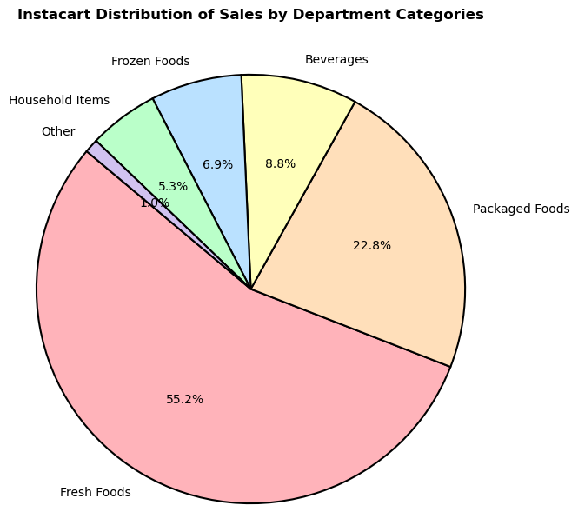
4. Key Question: Are there certain types of products that are more popular than others? The marketing and sales teams want to know which departments have the highest frequency of product orders.
The most popular products are from the 'produce' department followed by dairy and eggs, snacks, beverages, frozen, pantry, bakery, canned goods, deli, dry goods and pasta , household items, meat and seafood, breakfast, personal care, babies, international products, alcohol, pets, and others.
To make things simpler, we categorized the departments in different categories. The categories were
Fresh food (produce, meat and sea food, dairy and eggs, deli, bakery)
Packaged food (snacks, breakfast, pantry, canned goods, dry goos, pasta)
Beverages (beverages, alcohol)
Frozen Food (frozen)
Household items (household, personal care, babies, pets)
Other (international , other, bulk)
When we look at these different categories, we can see that fresh food category makes up to more than half of the sales (55.2%), followed by packaged food (22..8%).

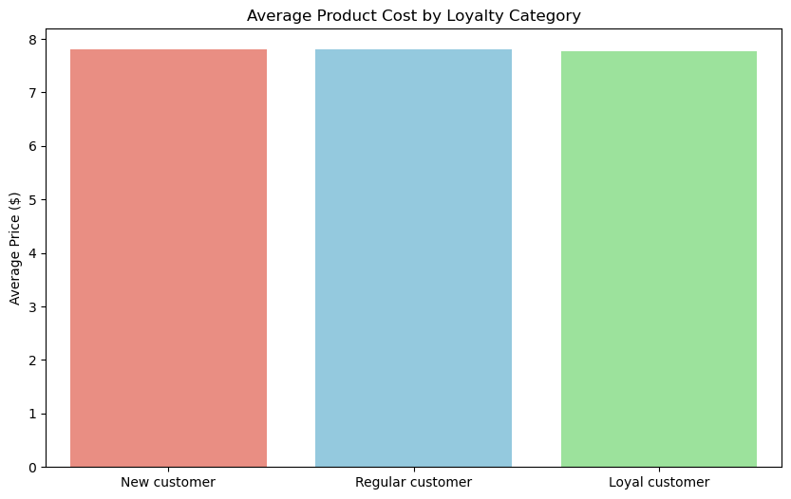
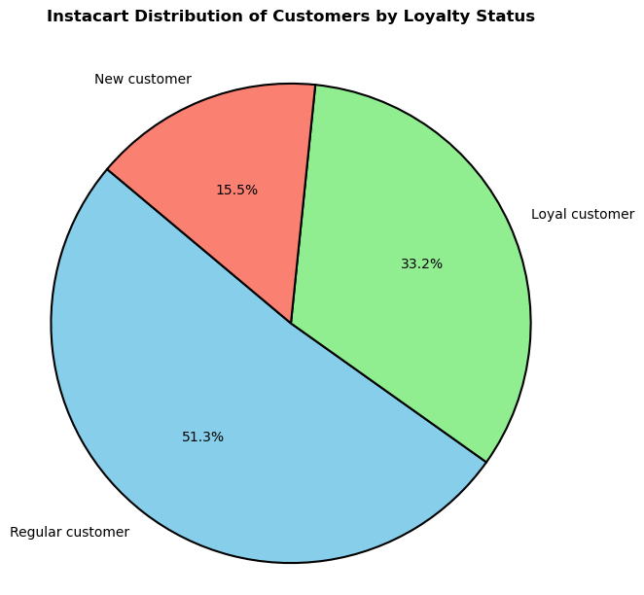
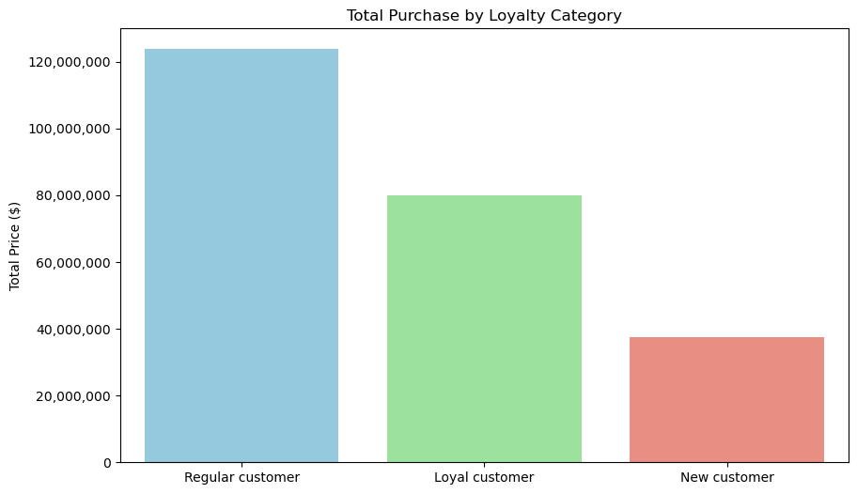
5. Key Question: What’s the distribution among users in regards to their brand loyalty (i.e., how often do they return to Instacart)? Are there differences in ordering habits based on a customer’s loyalty status?
Customers are grouped based on the number of orders they placed:
Customers with more than 40 orders are tagged as 'Regular customers'.
Customers with 10 to 40 orders are tagged as 'Loyal customers'.
Customers with fewer than 10 orders are tagged as 'New customers'.
Regular customers make up around 50% of the entire customer base. Loyal customers follow, comprising approximately 30%. The remaining customers are new customers.
Their total purchases are similar to the distribution. Regular customers make up to the majority of the total purchase.
The average purchase cost are similar for all the customer groups.

6. Key Question: "Are there differences in ordering habits based on a customer's region?"
The highest total purchases are made in the South, which also has the highest number of customers.
All regions have a small proportion of high spenders (average spending is equal to or greater than $10) and a much larger proportion of low spenders (average spending is less than $10).
The average purchase cost does not differ between the regions.
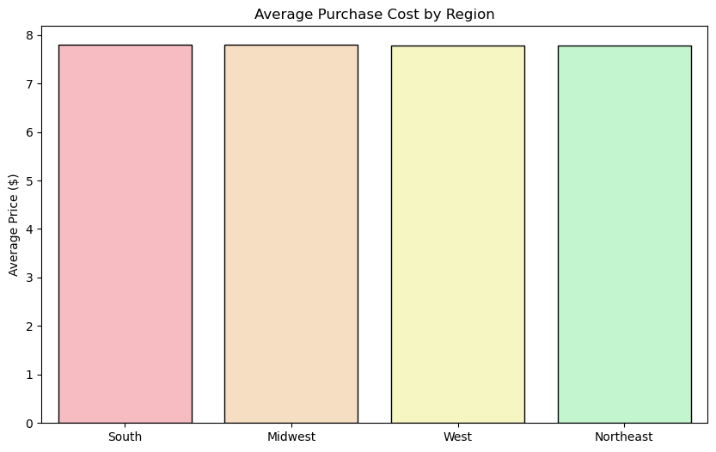
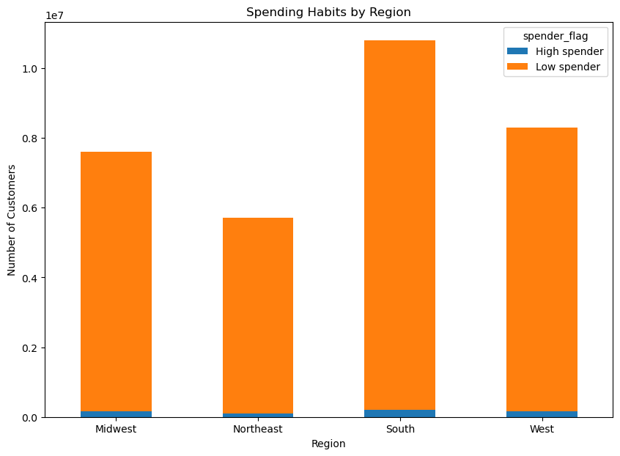
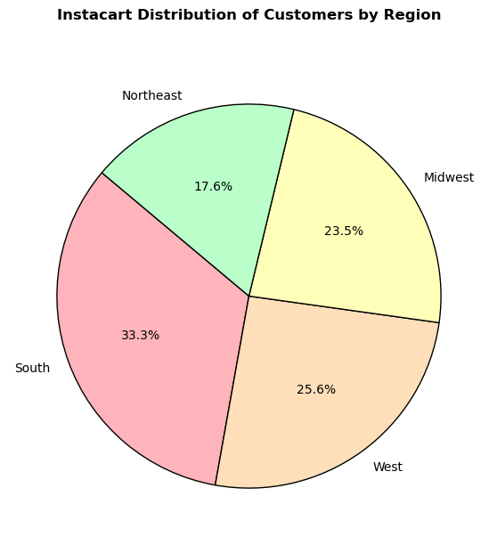
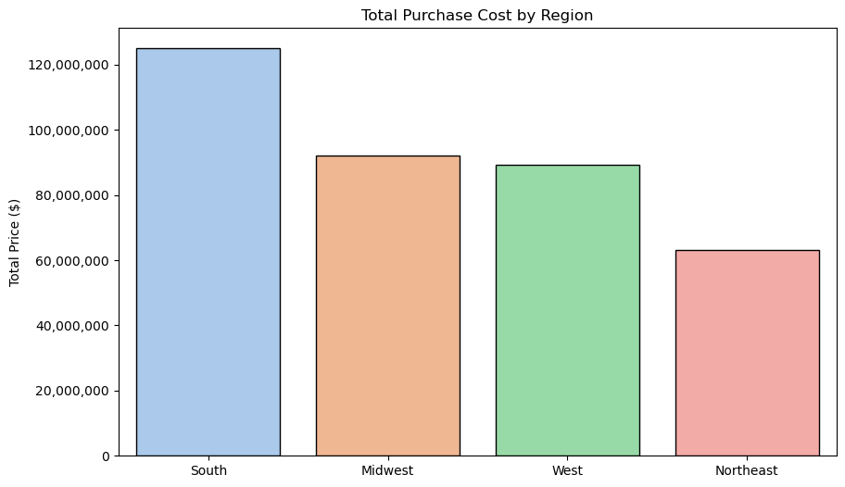

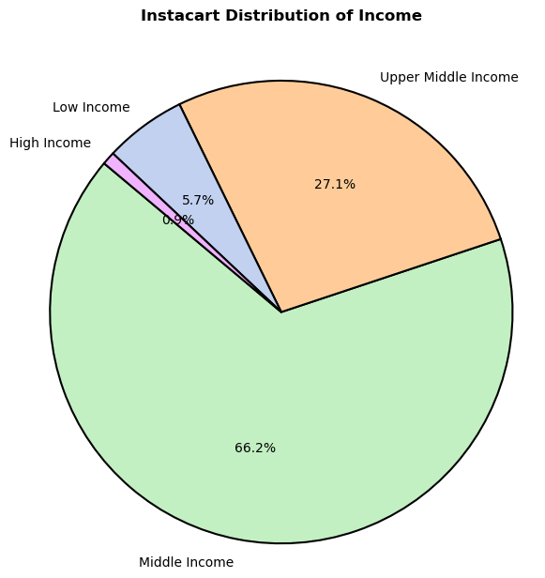
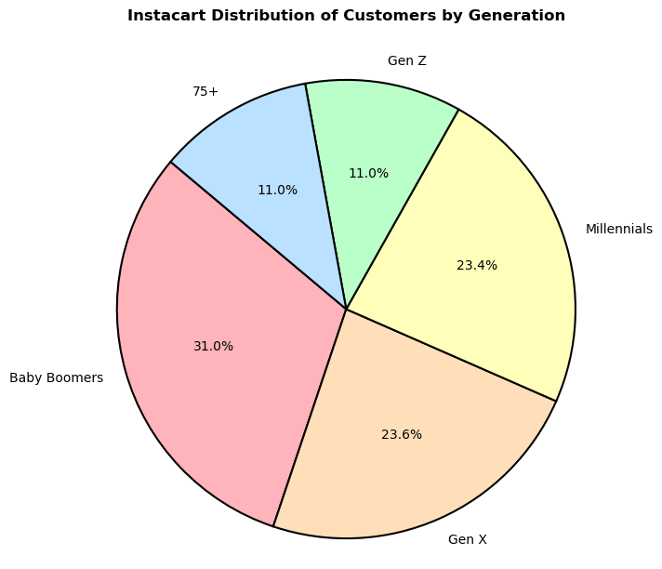
7. Key Question: What different classifications does the demographic information suggest? Age? Income? Certain types of goods? Family status?
Distribution of Income:
Income levels were grouped based on Pew Research Center's 2017 income levels:
Low income: < $41,119
Middle income: $41,119 to < $122,744
Upper middle income: $122,744 to < $184,110
High income: ≥ $184,110
The majority of the customers (66.2%) belonged to the middle-income group, followed by the upper middle-income group (27.1%). Less than 1 percent (0.9%) of people were in the high-income category, and the rest (5.7%) had low-income levels.
Distribution of Age:
The customers were divided into different generations since each generation shares common experiences and cultural influences that shape their purchasing habits and decision-making processes. The age distribution among generations is as follows:
Gen Z: < 25 years
Millennials: 25 to < 40 years
Gen X: 40 to < 55 years
Baby Boomers: 55 to < 75 years
75+: People over 75 years
As seen in the pie chart, Baby Boomers made up 31% of the customers, followed by Gen X (23.6%) and Millennials (23.4%). Both the 75+ group and Gen Z had 11% of the customers each.
Distribution of Dependent Status:
People with one or more dependents made up 75% of all customers, while people without any dependents accounted for 25% of the customers.
Distribution of Certain Types of Goods:
Explained in Key Question 4.
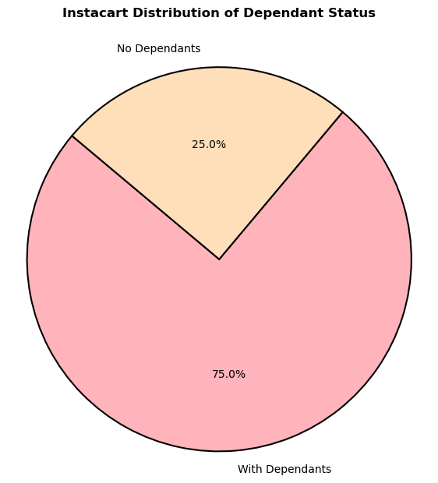

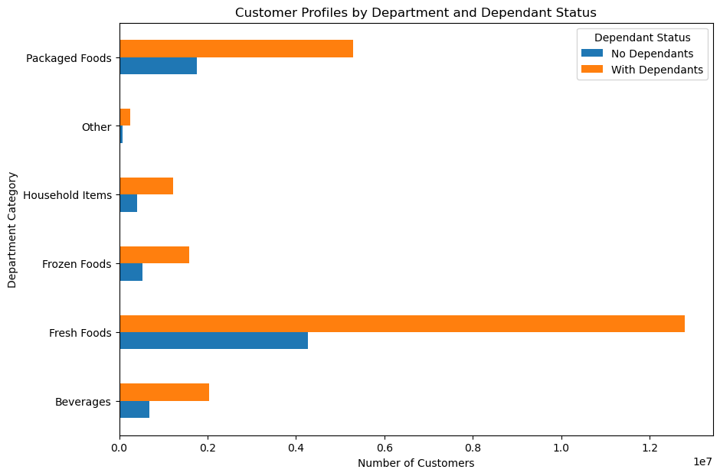
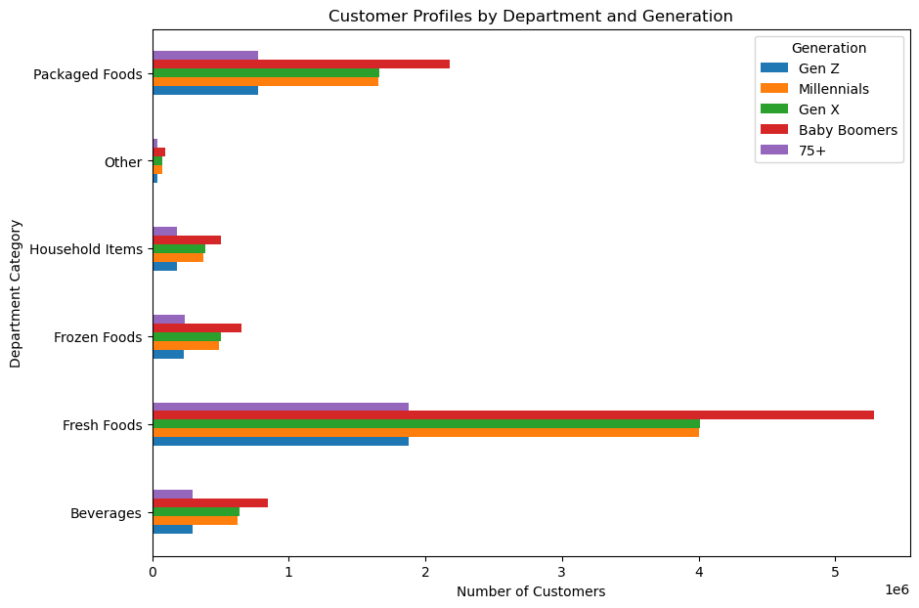

8. Key Question: Is there a connection between age and family status in terms of ordering habits?
The mean order total for Gen Z is slightly higher compared to other groups. However, the differences are minimal. The maximum total orders across the groups are very similar, indicating no significant variance in order frequencies among these groups.
There is not a considerable difference between the expenditures of people with dependents and those without dependents.
Interestingly, when examining the different categories people order from based on their income and family status, there is no significant difference between the groups.
In conclusion, family status and income level do not appear to have a considerable impact on ordering habits.
.
 | days_since_prior_order |  |  | prices |  |  |  | days_since_prior_order |  |  | prices
 | min | mean | max | min | mean | max |  | min | mean | max | min | mean | max
generation |  |  |  |  |  |  | dependants_flag
75+ | 0 | 10.19371945 | 30 | 0 | 78.203324495 | 664.1 | No Dependants | 0 | 10.198976495 | 30 | 0 | 78.514071825 | 875
Baby Boomers | 0 | 10.207826673 | 30 | 0 | 78.626555128 | 1092.2 | With Dependants | 0 | 10.20838963 | 30 | 0 | 78.774313611 | 1092.2
Gen X | 0 | 10.187541985 | 30 | 0 | 78.466057716 | 1047.4
Millennials | 0 | 10.243532996 | 30 | 0 | 79.117187982 | 829.2
Gen Z | 0 | 10.173742108 | 30 | 0 | 79.112301603 | 842.1


Relationship Between Customers' Age and Income in USD

9. Key Question: "What differences can you find in ordering habits of different customer profiles? consider the price of orders, frequency of orders, products customers are ordering, and anything else you can think of".
When we examine the customer profiles, we find that income level is a distinguishing factor regarding the number of customers in different income groups and the ages of these customers. The scatterplot shows that while all age groups have incomes below $200,000, there is a difference between the age groups when it comes to higher incomes (especially above $400,000).
Our income and generational distribution also points out a difference. The bar chart and the stacked bar chart show that Millennials are the largest middle-income group, but when it comes to the upper middle-income level, the largest age group is the Baby Boomers, followed by Gen X. In the upper middle and high-income groups, there are only a few Millennials and Gen Z.
The table shows that the frequency of orders does not differ much between the income groups. However, we see a significant difference between the groups regarding the mean price of their orders. Here, a clear distinction between the income groups becomes visible.

 |  |  |  |  |  |  |  |  |  |  |  |  | days_since_prior_order |  |  | prices
 |  |  |  |  |  |  |  |  |  |  |  |  | min | mean | max | min | mean | max
 |  |  |  |  |  |  |  |  |  |  |  | income_group
 |  |  |  |  |  |  |  |  |  |  |  | High Income | 0 | 9.0942265351 | 30 | 0 | 88.723762538 | 1047.4
 |  |  |  |  |  |  |  |  |  |  |  | Upper Middle Income | 0 | 10.106153392 | 30 | 0 | 83.712855952 | 846.1
 |  |  |  |  |  |  |  |  |  |  |  | Middle Income | 0 | 10.170750364 | 30 | 0 | 79.992761246 | 1092.2
 |  |  |  |  |  |  |  |  |  |  |  | Low Income | 0 | 10.969615418 | 30 | 1 | 49.434369903 | 875

7. Recommendations
 |  |  |  |  |  |  |  |  |  |  |  |  | Title page

Recommendations

Marketing and Sales

Q1: What are the busiest days of the week and hours of the day?

Recommendation: Schedule the ads on Monday, Tuesday, Wednesdays, especially afterwork hours (5-9pm) when there is fewer orders and when people tend to spend more time in social-media.
Further analysis: Check whether there is a difference between the busiest hours in different days of the week. This can be different for the weekends and weekdays.

Q2: Are there are particular times of the day when people spend the most money?

Recommendation: Advertise high-range products during early morning hours around 6-8 AM. Late night time can also be a good time for high-range product shopping for many.
Further analysis: Check whether different kind of products are ordered in different times of the day for better ad targeting.

Q3: Instacart has a lot of products with different price tags. Marketing and sales want to use simpler price range groupings to help direct their efforts.

Recommendation: High-range products (abıve 15 USD) are clearly underperforming.
Target high income cuıstomers:
Use targeted marketing campaigns to reach customers who fall into the high-income and upper-middle-income brackets, as these groups are more likely to afford and purchase high-range products.
Utilize customer data to identify and segment these high-income groups, and tailor your promotions to their preferences and spending habits.

Utilize Prime Shopping Times:
Promote high-range products during times of the day when people tend to spend more, such as early mornings before 7 AM and later at night.
Run time-limited promotions or flash sales during these peak spending hours to create a sense of urgency and boost sales.

Further analysis: Examine high-range products and see if they fall into low-selling departments and/or categories. What kind of products are the high-range products and the reason why they are not being sold as much. Also, what kind of people tend to buy high-range products, when and where?

Q4: Are there certain types of products that are more popular than others?

Recommendation: Most popular products are similar for different customer profiles. This shows that the need for produce products or the 'fresh food'' category is the biggest in general.
Promote seasonal fruits and vegetables, highlighting their freshness and nutritional benefits. Create marketing campaigns around seasonal themes.

 | Customer Profiles

Q5: What’s the distribution among users in regards to their brand loyalty

Recommendation: Use loyalty data to create personalized marketing campaigns that cater to the specific needs and preferences of each loyalty segment. Tailor your messaging to highlight products and offers that are most relevant to each group.
Encourage satisfied regular and loyal customers to leave positive reviews and testimonials
Implement a referral program that incentivizes regular and loyal customers to refer new customers. Offer rewards or discounts for successful referrals, which can help expand your customer base and convert new customers into loyal ones.

Q6: Are there differences in ordering habits based on a customer's region?"

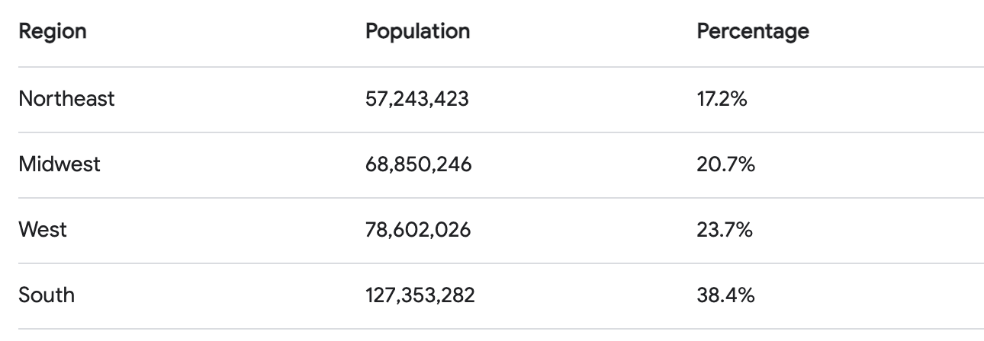

As seen in the table and the pie chart, the USA population distribution is very similar to Instacart's distribution of customers by region. Therefore, we do not have any underperforming regions in terms of customer numbers. Additionally, all regions have a similar average purchase price.
Further analysis: While the distribution is similar, there may still be regional trends or preferences that can be leveraged. Conduct market research to identify these trends and create tailored marketing campaigns for each region.

Q7: What different classifications does the demographic information suggest in terms of age, income, certain types of goods and family status.

Recommendations:
1. Income segments: Since the majority of your customers are middle-income, emphasize promotions, discounts, and value deals. This could include weekly deals on staple items, bulk purchase discounts, and "buy one, get one free" offers.
 | For the small segment of high-income customers, promote high-end products through personalized marketing campaigns.

2. Age distribution: Promote personalized items for different generations.

3. Dependant status: Promote family-sized packs and bulk buying options, meal planning kits for people with dependants.
4. Department categories: Regularly offer specials on fresh produce, dairy, and meat products. Highlight these deals in newsletters, app notifications, and social media posts to attract customers.

Q8: Is there a connection between age and family status in terms of ordering habits?

 | days_since_prior_order |  |  | prices |  |  |  | days_since_prior_order |  |  | prices
 | min | mean | max | min | mean | max |  | min | mean | max | min | mean | max
generation |  |  |  |  |  |  | dependants_flag
75+ | 0 | 10.19371945 | 30 | 0 | 78.203324495 | 664.1 | No Dependants | 0 | 10.198976495 | 30 | 0 | 78.514071825 | 875
Baby Boomers | 0 | 10.207826673 | 30 | 0 | 78.626555128 | 1092.2 | With Dependants | 0 | 10.20838963 | 30 | 0 | 78.774313611 | 1092.2
Gen X | 0 | 10.187541985 | 30 | 0 | 78.466057716 | 1047.4
Millennials | 0 | 10.243532996 | 30 | 0 | 79.117187982 | 829.2
Gen Z | 0 | 10.173742108 | 30 | 0 | 79.112301603 | 842.1

Recommendations: Since we didn't find any difference between the ordering habits of different age and femily status groups, it can be a better idea to focus on promoting the popular products for everyone instead of targeting specific groups.

Q9: What differences can you find in ordering habits of different customer profiles? consider the price of orders, frequency of orders, products customers are ordering, and anything else you can think of?

 | days_since_prior_order |  |  | prices
 | min | mean | max | min | mean | max
income_group
High Income | 0 | 9.0942265351 | 30 | 0 | 88.723762538 | 1047.4
Upper Middle Income | 0 | 10.106153392 | 30 | 0 | 83.712855952 | 846.1
Middle Income | 0 | 10.170750364 | 30 | 0 | 79.992761246 | 1092.2
Low Income | 0 | 10.969615418 | 30 | 1 | 49.434369903 | 875

Recommendations: When it comes to spending habits, the biggest difference we can find is between different income groups. As the income increases, average purchase also increase. Higher income groups consist mostlye of Gen X and Baby Boomers whereas the biggest income group of all, the middle income group, consists mostly of Millenials.

Given that older generations (Gen X and Baby Boomers) generally have higher incomes, focus on promoting premium products and exclusive offers to these age groups, highlighting quality and unique features.

For younger generations (Millennials and Gen Z), emphasize value-driven promotions and convenience, leveraging digital platforms and social media to engage this price-sensitive demographic effectively.

